Navigation
SmartPLS report
Please cite the use of SmartPLS: Ringle, C. M., Wende, S., and Becker, J.-M. 2024. "SmartPLS 4." Bönningstedt: SmartPLS, https://www.smartpls.com.

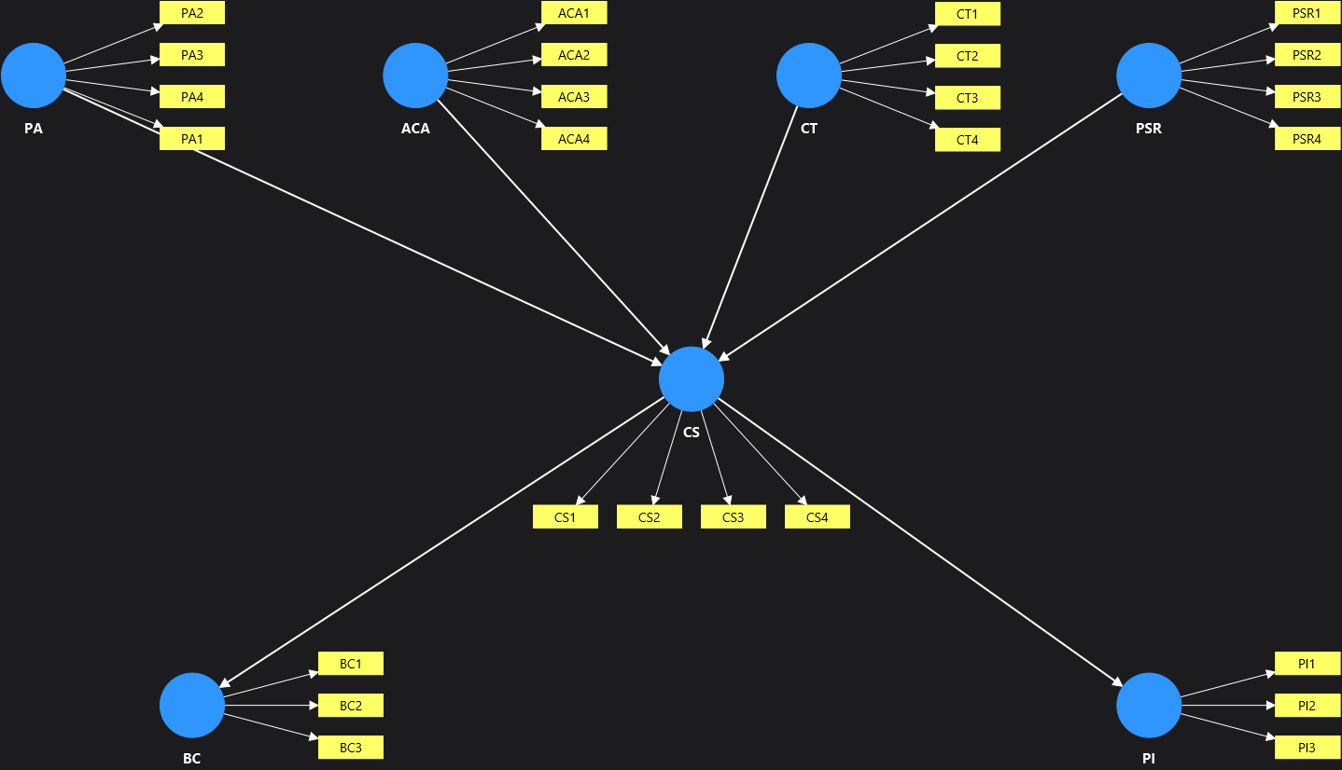
Model | Report (Influencer Authenticity)
Project | Influencer Authenticity Main Study
Data file | smartpls_import
Calculated | Oct 16, 2026, 3:58:06 PM
SmartPLS version | 4.1.1.9

 | Complete data set

Final results
Path coefficients | show
Total indirect effects | show
Specific indirect effects | show
Total effects | show
Outer loadings | show
Outer weights | show
Latent variables | show
Residuals | show

Quality criteria
R-square | show
f-square | show
Construct reliability and validity | show
Discriminant validity | show
Collinearity statistics (VIF) | show
Model fit | show
Model selection criteria | show

Algorithm
Setting | show
Stop criterion changes | show
Post-hoc power analysis | show
Execution log | show

Model and data
Inner model | show
Outer model | show
Indicator data (original) | show
Indicator data (standardized) | show
Indicator data (correlations) | show

Complete data set Charts
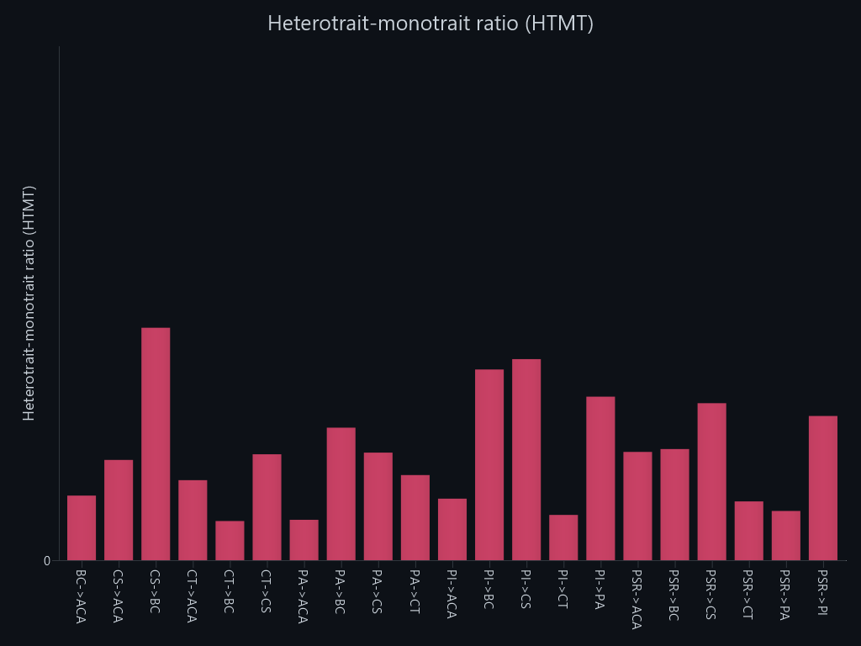
SmartPLS report
Please cite the use of SmartPLS: Ringle, C. M., Wende, S., and Becker, J.-M. 2024. "SmartPLS 4." Bönningstedt: SmartPLS, https://www.smartpls.com.

Path coefficients
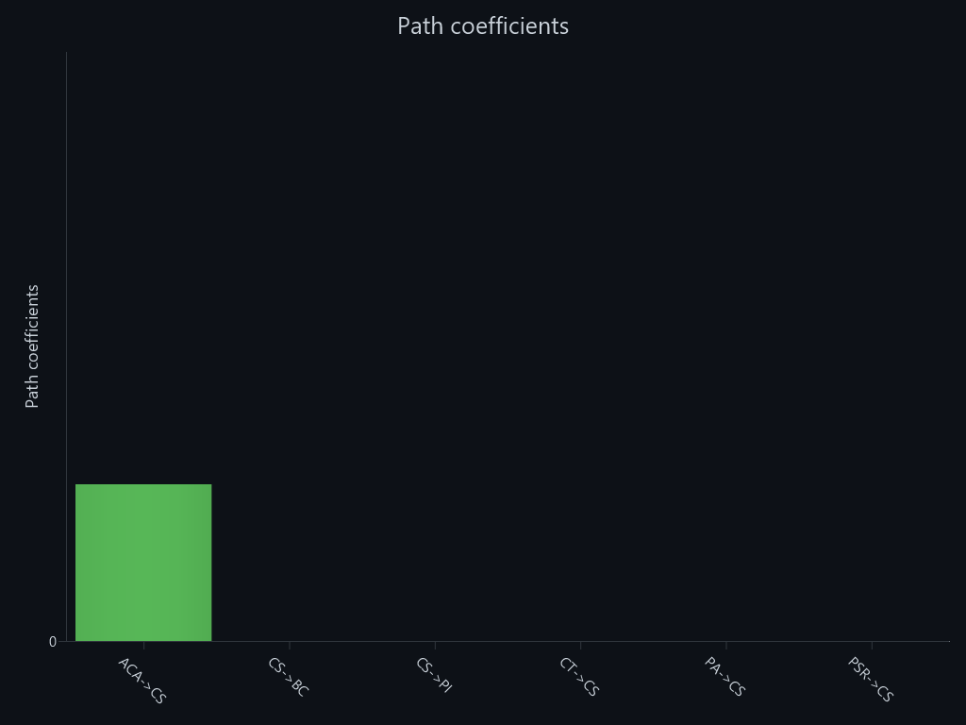

R-square
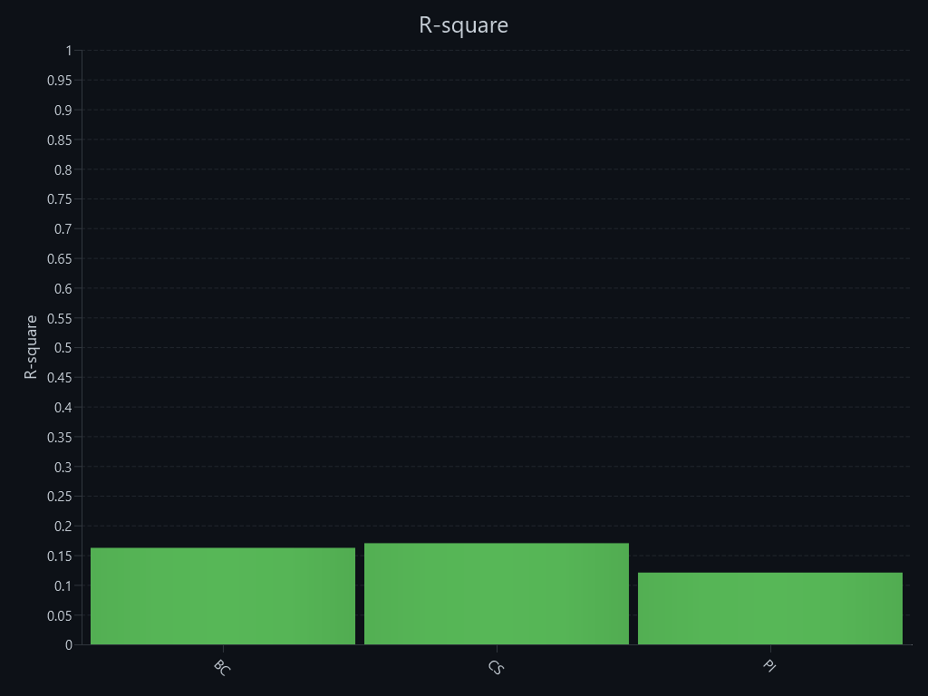

R-square – R-square adjusted
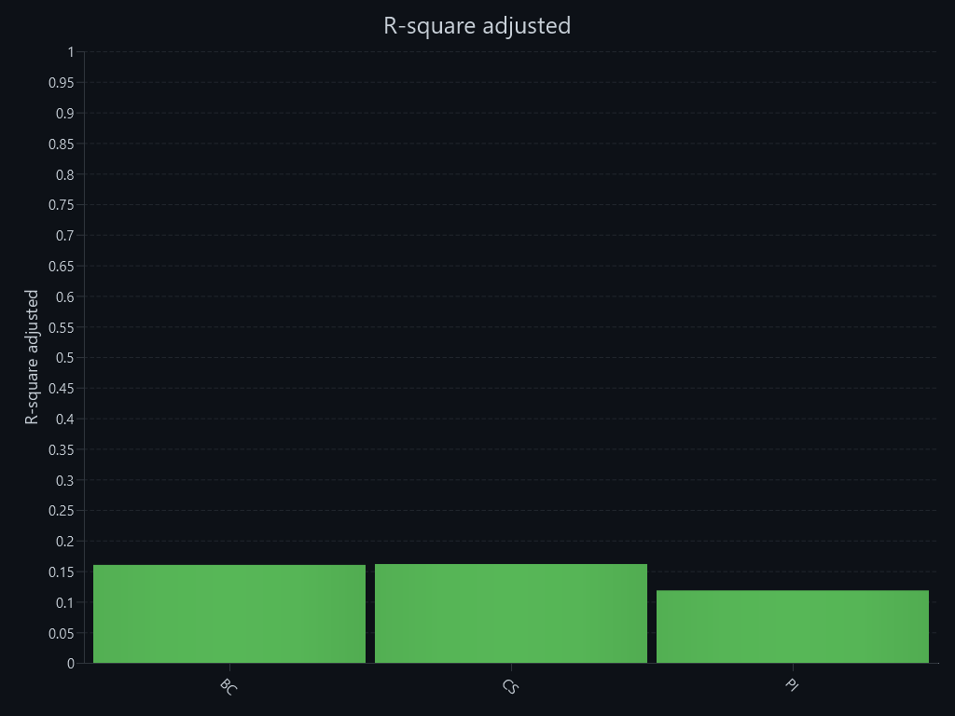

f-square
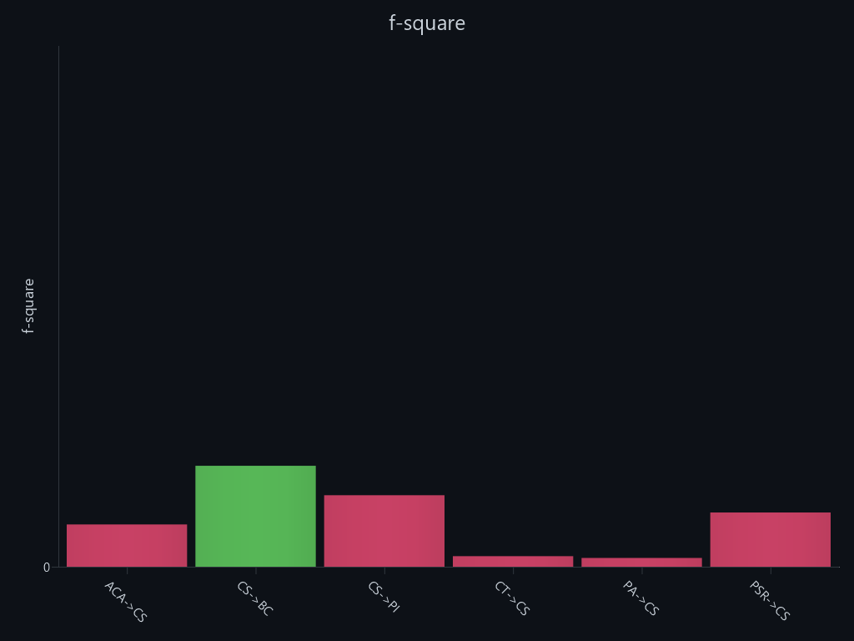

Construct reliability and validity – Cronbach's alpha
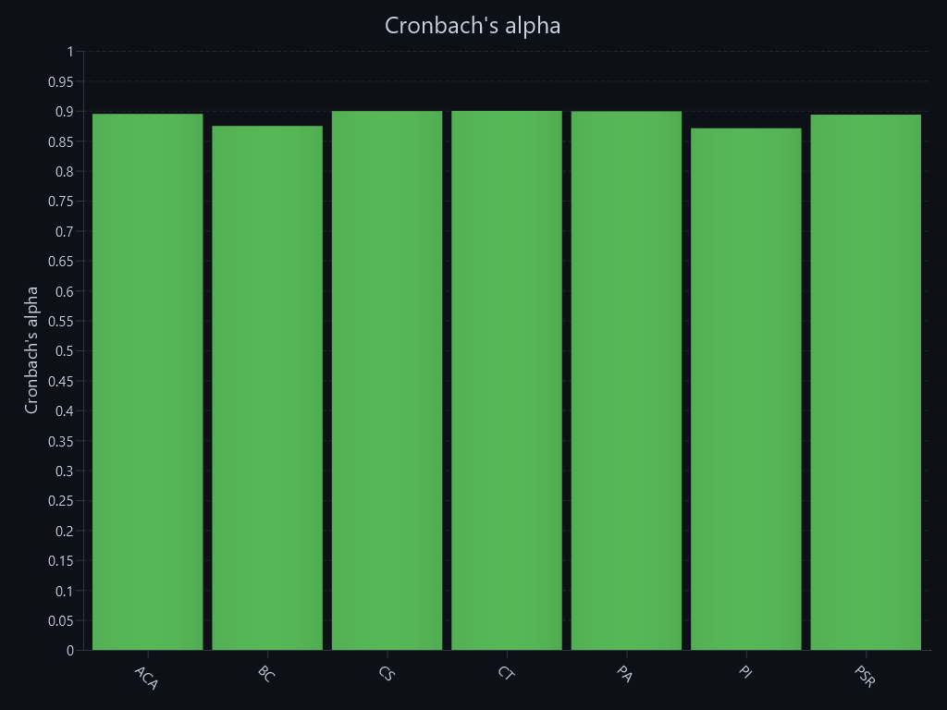

Construct reliability and validity – Composite reliability (rho_a)
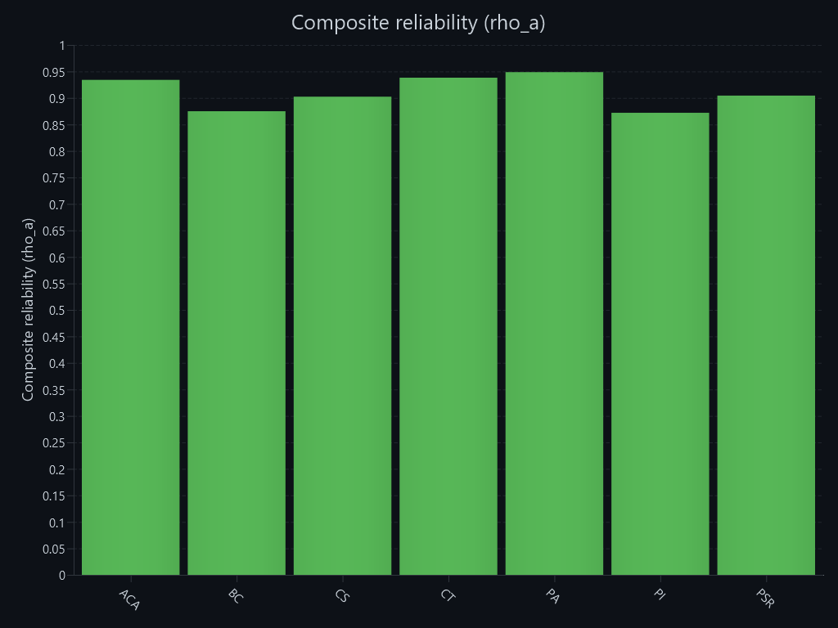

Construct reliability and validity – Composite reliability (rho_c)
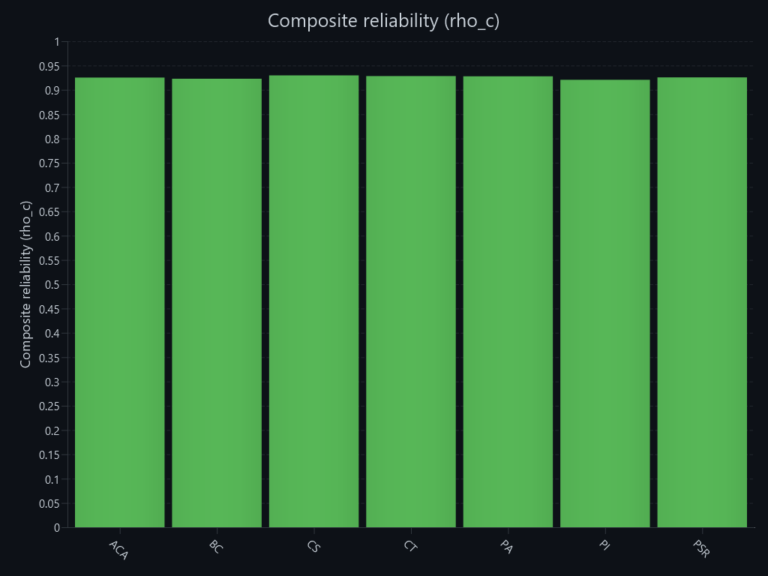

Construct reliability and validity – Average variance extracted (AVE)
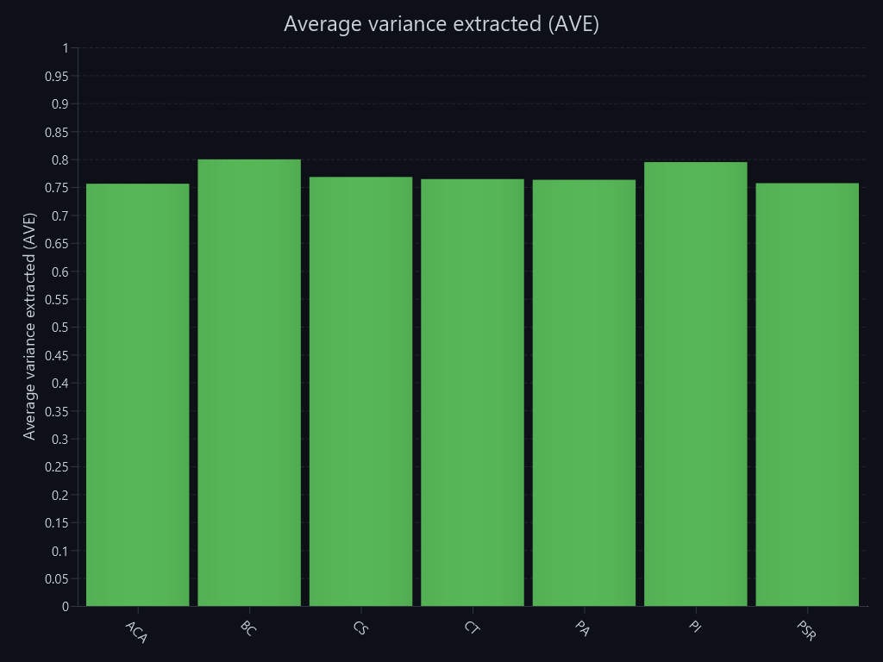

Discriminant validity – Heterotrait-monotrait ratio (HTMT)

